Weibull(Planning & Schedule)
 |  | X | Step1 | Step2 | Step3
 | Weeks | Number of occurances | Rank | X-axis | Y-axis | Excel Weibull function
M1 | Week1 | 5 | 5 | -0.7413 | 1.6094 | Weibull Slope α | 2.049 | Step4 |  | Exponential
 | Week2 | 7 | 7 | -0.2520 | 1.9459 | β | 7.464 | Step5 | Mean (average) | EXPONDIST()
 | Week3 | 6 | 6 | -0.4852 | 1.7918 | Weibull, CDF | 83.81% | Step6 | 6.1666666667 | 80.242%
 | Week4 | 3 | 3 | -1.4042 | 1.0986
M2 | Week1 | 4 | 4 | -1.0374 | 1.3863
 | Week2 | 2 | 1 | -2.8455 | 0.6931 | Weibull (CDF) defines the cumulative percentage of price that will occur at time t
 | Week3 | 2 | 1 | -2.8455 | 0.6931
 | Week4 | 10 | 11 | 0.6867 | 2.3026
M3 | Week1 | 9 | 9 | 0.1901 | 2.1972
 | Week2 | 10 | 11 | 0.6867 | 2.3026
 | Week3 | 7 | 7 | -0.2520 | 1.9459
 | Week4 | 9 | 9 | 0.1901 | 2.1972
 | EXPECTED | 10.03

 | Expected Number of occurances using Weibull | 10.03
 | Expected Number of occurances using Exponential | 8.55
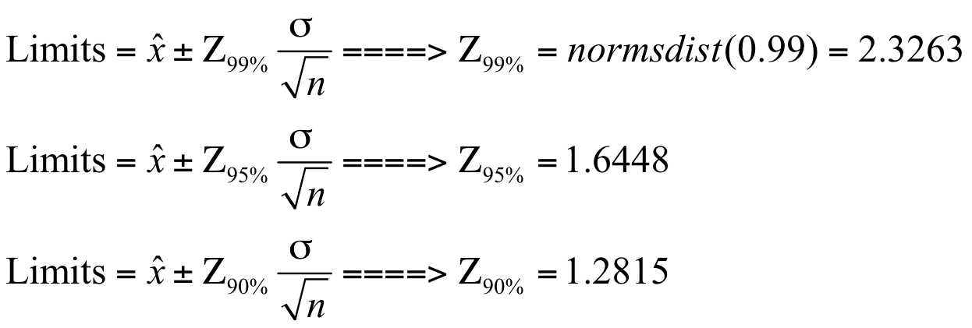
 | Standard Deviation | 2.85
 | Action Limit (99%) | 10.72
 | Normal Limit (99%) | 9.3401

Risk score
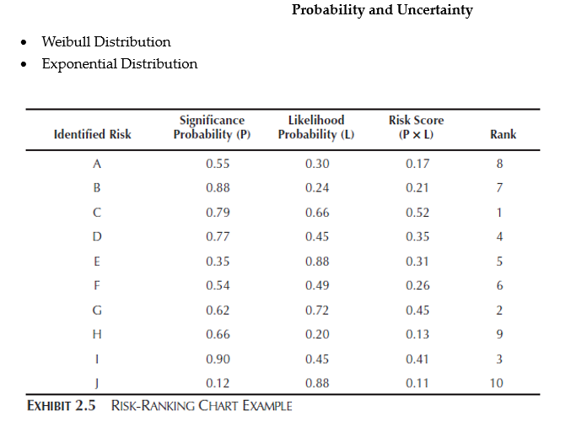
Identified Risk | Probability (p) | Likelihood (L) | Risk Score (P * L) | Rank
Risk (Planning & schedule) | 83.81% | 3.38% | 0.02832 | 3
Risk ( Cost Control) | 80.10% | 2.29% | 0.01834 | 2
Risk (Excavation) | 90.61% | 3.18% | 0.02882 | 4
Risk (Concrete works) | 48.61% | 2.53% | 0.01228 | 1

